WV44W115
NOBLAND 봉제작업지시서 SEWING
UPDATED: | 30-Mar-23 | PSP'23, SVVW, WV44W115 CS
[ VIETNAM / INDONESIA ]

CONSTRUCTION
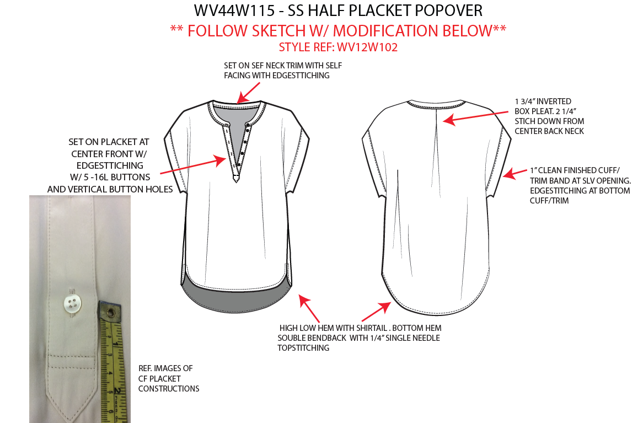

[

NO STITCH

 |  |  | 

SPEC
***Be careful Extended, relaxed spec

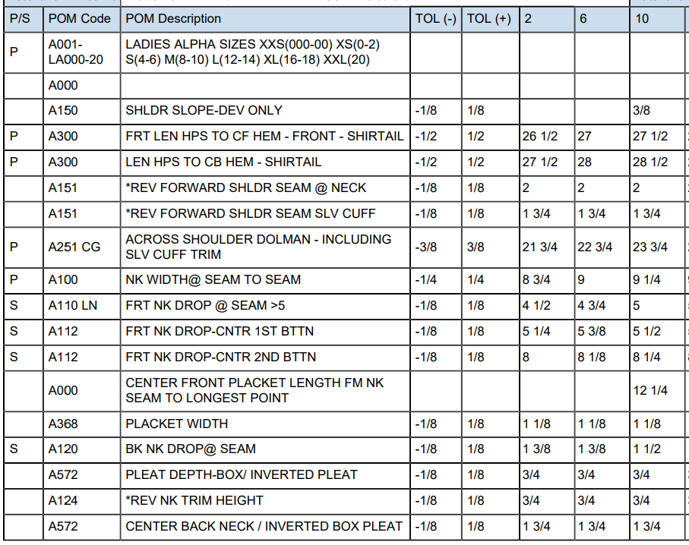

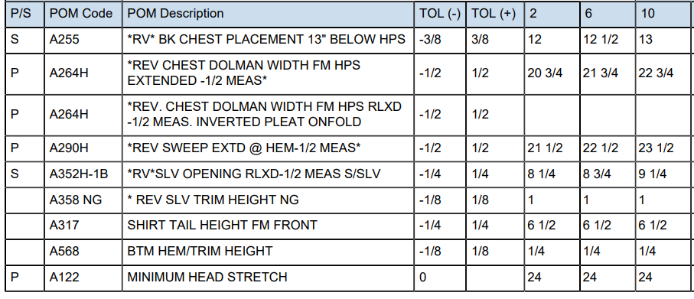

SPEC - W/O LINING

